StatsData Viz
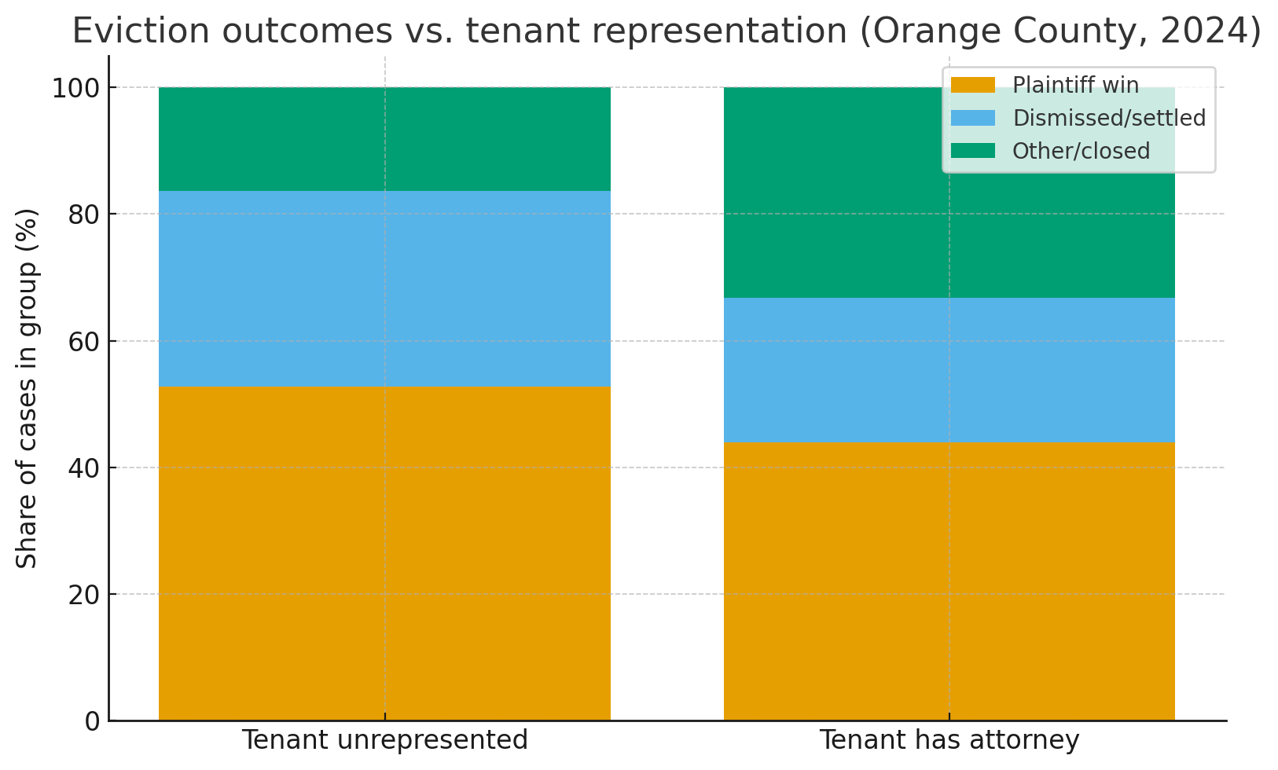
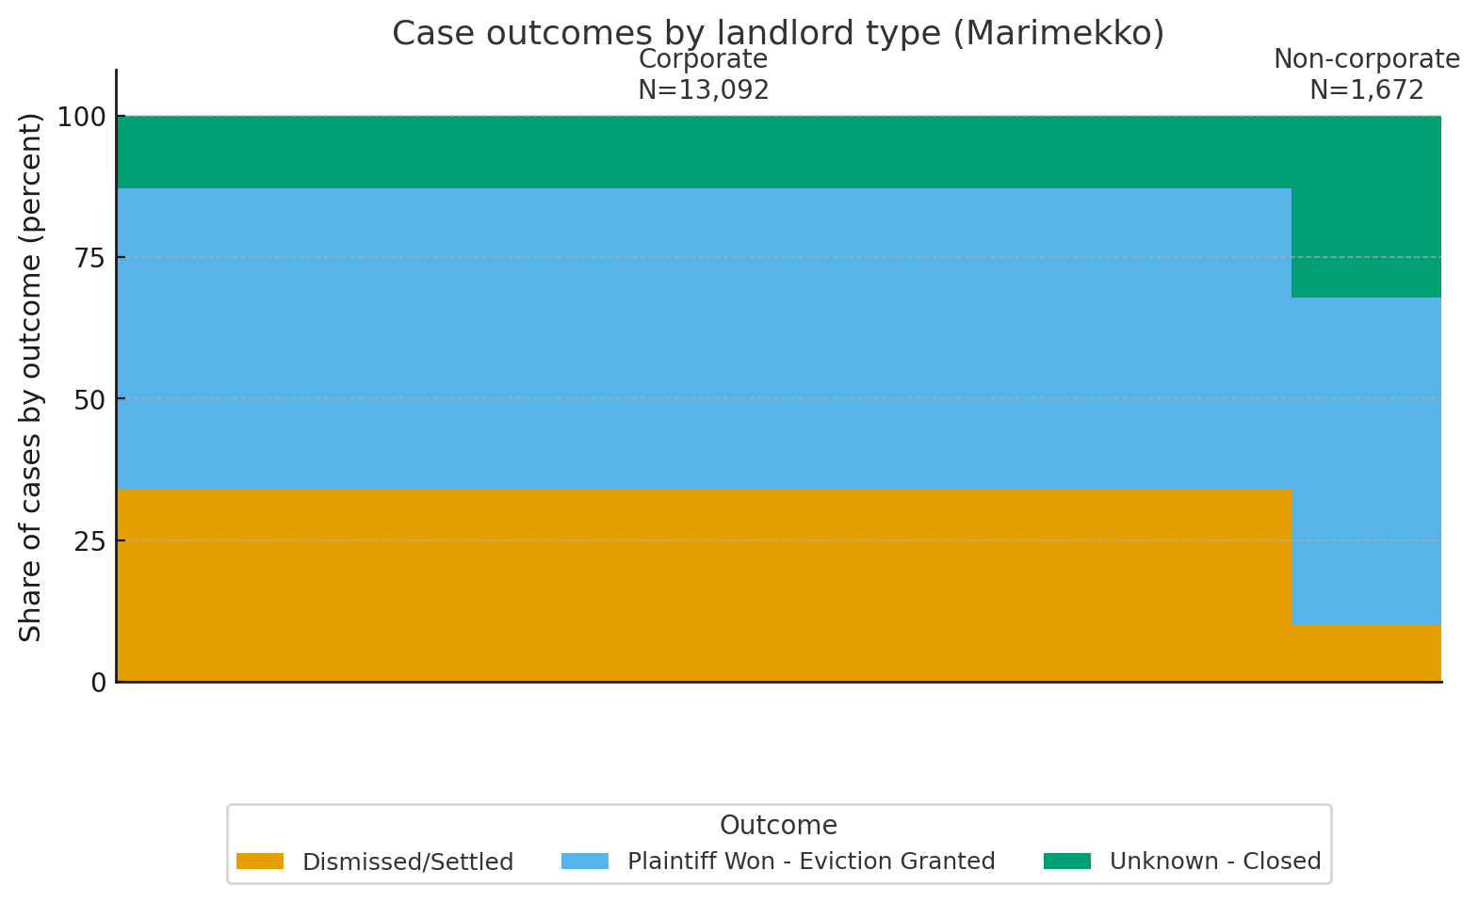

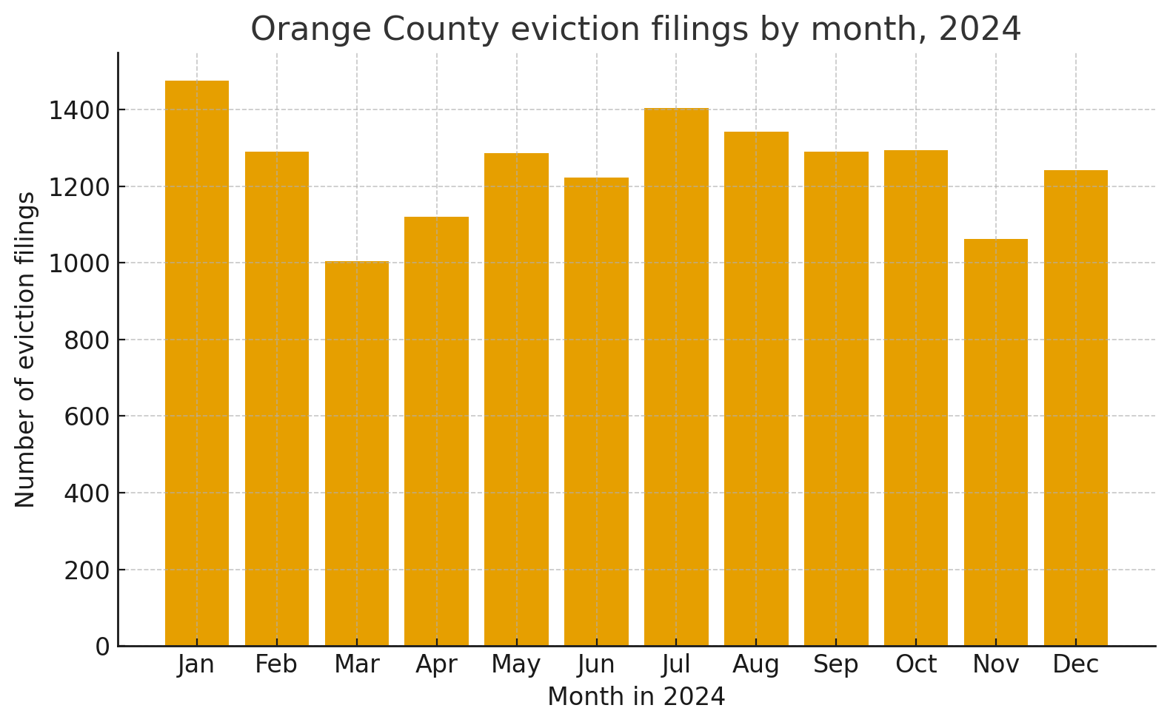

Group | Number of Cases |  | Outcome | Corporate | Non-Corporate
Corporate Landlords | 13,092 |  | Dismissed/Settled | 34.02% | 9.81%
Non-Corporate Landlords | 1,672 |  | Plaintiff Won - Eviction Granted | 53.09% | 57.95%
Total with Outcomes | 14,764 |  | Unknown - Closed | 12.89% | 32.24%

 | This chi-square test examines whether the distribution of outcomes |  | Pairwise Z Tests for Proportions |  | Bonferroni correction (α = 0.0167):
 | differs significantly between corporate and non-corporate landlords |  | Outcome | Difference | 95% CI | Z | P-value
Chi-square statistic (χ²) | 652.65 | The probability of observing | Dismissed | 24.21 pp | [22.6, 25.9] | 20.11 | <0.0001***
Degrees of freedom | 2 | these differences by chance | Plaintiff Won | -4.86 pp | [-7.4, -2.4] | -3.75 | 0.0002***
P-value | < 0.0001 | alone is essentially zero. | Unknown | -19.35 pp | [-21.7, -17.0] | -20.82 | <0.0001***
Minimum expected frequency | 252.09 (assumption met) | Cramér's V = 0.21

Odds Ratios and Relative Risk
Outcome | Odds Ratio | 95% CI | Relative Risk | • Corporate landlords have 4.74x higher odds of cases being dismissed/settled
Dismissed/Settled | 4.74 | [4.02, 5.59] | 3.47 | • Non-corporate landlords are slightly more likely to win evictions (RR = 0.92 for corporate)
Plaintiff Won | 0.82 | [0.74, 0.91] | 0.92 | • Non-corporate landlords have 3.2x higher odds of unknown/closed outcomes
Unknown - Closed | 0.31 | [0.28, 0.35] | 0.4 | ∴ the sample size imbalance does NOT cause these differences

